Declaration
 |  | Conflict Minerals Reporting Template (CMRT)
 | 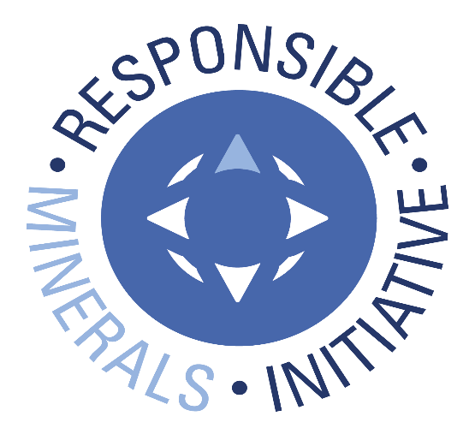 Select Language Preference Here: 请选择你的语言: 사용할 언어를 선택하시오 : 表示言語をここから選択してください: Sélectionner la langue préférée ici: Selecione Preferência de idioma Aqui: Wählen sie hier die Sprache: Seleccione el lenguaje de preferencia aqui: Selezionare la lingua di preferenza qui: Burada Dil Tercihini Belirleyin: | English |  |  | Revision 6.4 April 26, 2024
 | The purpose of this document is to collect sourcing information on tin, tantalum, tungsten and gold used in products |  |  | Link to Terms & Conditions
A
 | Mandatory fields are noted with an asterisk (*). Consult the instructions tab for guidance on how to answer each question.
 | Company Information
 | Company Name (*): | Murata Electronics North America, Inc
 | Declaration Scope or Class (*): | A. Company
 | Description of Scope:

 | Company Unique ID:
 | Company Unique ID Authority:
 | Address:
 | Contact Name (*): | Miller Gandy
 | Email – Contact (*): | miller.gandy@murata.com
 | Phone – Contact (*): | 7704337838
 | Authorizer (*): | Hiroyuki Yokomi
 | Title - Authorizer: | Procurement Division General Manager of Planning & Administration Dept.
 | Email - Authorizer (*): | conflict_minerals@murata.com
 | Phone - Authorizer:
 | Effective Date (*): | 13-Jun-2024

 | Answer the following questions 1 - 8 based on the declaration scope indicated above
 | 1) Is any 3TG intentionally added or used in the product(s) or in the production process? (*) | Answer | Comments
 | Tantalum (*) | Yes
 | Tin (*) | Yes
 | Gold (*) | Yes
 | Tungsten (*) | Yes

 | 2) Does any 3TG remain in the product(s)? (*) | Answer | Comments
 | Tantalum (*) | Yes
 | Tin (*) | Yes
 | Gold (*) | Yes
 | Tungsten (*) | Yes

 | 3) Do any of the smelters in your supply chain source the 3TG from the covered countries? (SEC term, see definitions tab) (*) | Answer | Comments
 | Tantalum (*) | Yes | TANIOBIS GmbH(CID:002545), Taki Chemicals (CID001869), Global Advanced Metals(CID002557) , F&X Electro-Materials(CID000460) and Ningxia Orient Tantalum Industry Co., Ltd (CID001277) ,XIMEI RESOURCES (GUANGDONG) LIMITED(CID000616), JiuJiang JinXin Nonferrous Metals Co., Ltd.(CID000914), TANIOBIS Co., Ltd.(CID002544) source Tantalum from the DRC or an adjoining country.
 | Tin (*) | Yes | MSC(CID001105) and Thaisarco(CID001898) source tin from the DRC or an adjoining country.
 | Gold (*) | Yes | L'Orfebre S.A(CID002762) source Gold from the DRC or an adjoining country.
 | Tungsten (*) | Yes | Global Tungsten & Powders Corp. (CID000568), Masan High-Tech Materials(CID002543)sources tungsten from the DRC or an adjoining country.

 | 4) Do any of the smelters in your supply chain source the 3TG from conflict-affected and high-risk areas? (*) | Answer | Comments
 | Tantalum (*) | Yes | TANIOBIS GmbH(CID:002545), Taki Chemicals (CID001869), Global Advanced Metals(CID002557) , F&X Electro-Materials(CID000460) and Ningxia Orient Tantalum Industry Co., Ltd (CID001277) ,XIMEI RESOURCES (GUANGDONG) LIMITED(CID000616), JiuJiang JinXin Nonferrous Metals Co., Ltd.(CID000914), TANIOBIS Co., Ltd.(CID002544) source Tantalum from the DRC or an adjoining country.
 | Tin (*) | Yes | MSC(CID001105) and Thaisarco(CID001898) source tin from the DRC or an adjoining country.
 | Gold (*) | Yes | L'Orfebre S.A(CID002762) source Gold from the DRC or an adjoining country.
 | Tungsten (*) | Yes | Global Tungsten & Powders Corp. (CID000568), Masan High-Tech Materials(CID002543)sources tungsten from the DRC or an adjoining country.

 | 5) Does 100 percent of the 3TG (necessary to the functionality or production of your products) originate from recycled or scrap sources? (*) | Answer | Comments
 | Tantalum (*) | No
 | Tin (*) | No
 | Gold (*) | No
 | Tungsten (*) | No

 | 6) What percentage of relevant suppliers have provided a response to your supply chain survey? (*) | Answer | Comments
 | Tantalum (*) | 100%
 | Tin (*) | 100%
 | Gold (*) | 100%
 | Tungsten (*) | 100%

 | 7) Have you identified all of the smelters supplying the 3TG to your supply chain? (*) | Answer | Comments
 | Tantalum (*) | No | In order to answer "Yes", we must receive completed template which indicates all smelters related to Murata from all of our suppliers.
 | Tin (*) | No | Same as above.
 | Gold (*) | No | Same as above.
 | Tungsten (*) | No | Same as above.

 | 8) Has all applicable smelter information received by your company been reported in this declaration? (*) | Answer | Comments
 | Tantalum (*) | Yes
 | Tin (*) | Yes
 | Gold (*) | Yes
 | Tungsten (*) | Yes

 | Answer the Following Questions at a Company Level
 | Question | Answer | Comments
 | A. Have you established a responsible minerals sourcing policy? (*) | Yes

 | B. Is your responsible minerals sourcing policy publicly available on your website? (Note – If yes, the user shall specify the URL in the comment field.) (*) | Yes | https://corporate.murata.com/en-us/csr/people/suppliers

 | C. Do you require your direct suppliers to source the 3TG from smelters whose due diligence practices have been validated by an independent third party audit program? (*) | Yes

 | D. Have you implemented due diligence measures for responsible sourcing? (*) | Yes

 | E. Does your company conduct Conflict Minerals survey(s) of your relevant supplier(s)? (*) | Yes, in conformance with IPC1755 (e.g., CMRT)

 | F. Do you review due diligence information received from your suppliers against your company’s expectations? (*) | Yes

 | G. Does your review process include corrective action management? (*) | Yes

 | H. Is your company required to file an annual conflict minerals disclosure? (*) | No

© 2024 Responsible Minerals Initiative. All rights reserved.

