Declaration
 |  | Conflict Minerals Reporting Template (CMRT)
 | 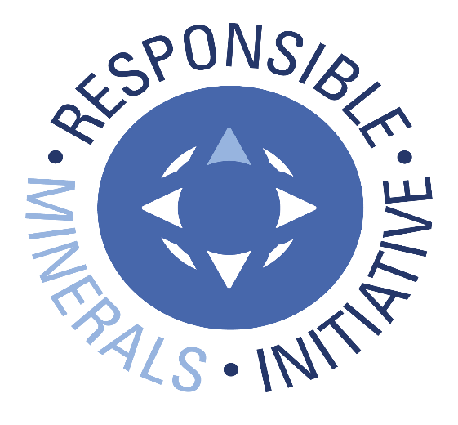 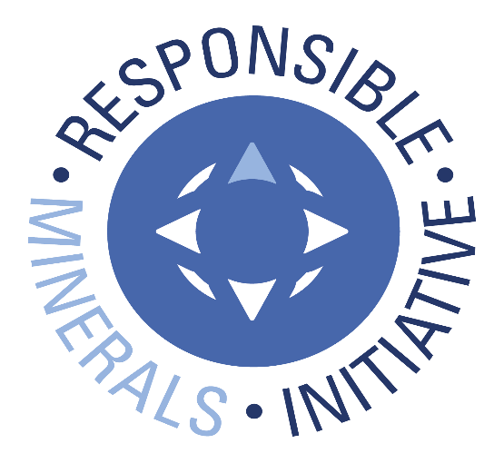 Select Language Preference Here: 请选择你的语言: 사용할 언어를 선택하시오 : 表示言語をここから選択してください: Sélectionner la langue préférée ici: Selecione Preferência de idioma Aqui: Wählen sie hier die Sprache: Seleccione el lenguaje de preferencia aqui: Selezionare la lingua di preferenza qui: Burada Dil Tercihini Belirleyin: | English |  |  | Revision 6.22 May 11, 2022
 | The purpose of this document is to collect sourcing information on tin, tantalum, tungsten and gold used in products |  |  | Link to Terms & Conditions
A
 | Mandatory fields are noted with an asterisk (*). Consult the instructions tab for guidance on how to answer each question.
 | Company Information
 | Company Name (*): | KOA CORPORATION
 | Declaration Scope or Class (*): | A. Company
 | Description of Scope:

 | Company Unique ID:
 | Company Unique ID Authority:
 | Address: | 1634-17, Minamiminowa-mura, Kamiina-gun, Nagano 399-4511 Japan
 | Contact Name (*): | Matthew L. Kervin
 | Email – Contact (*): | mkervin@koaspeer.com
 | Phone – Contact (*): | (814) 362-5536 x447
 | Authorizer (*): | Jun Kinoshita
 | Title - Authorizer: | Profit Manager/Procurement Control Center, Quality Assurance Initiative
 | Email - Authorizer (*): | ju-kinoshita@koaglobal.com (NOTE: In case of any inquiry or question, please ask "Contact Name" in column above.)
 | Phone - Authorizer: | 0265-78-2126 (NOTE: In case of any inquiry or question, please ask "Phone-Contact" in column above.)
 | Effective Date (*): | 17-May-2022

 | Answer the following questions 1 - 8 based on the declaration scope indicated above
 | 1) Is any 3TG intentionally added or used in the product(s) or in the production process? (*) | Answer | Comments
 | Tantalum | No
 | Tin (*) | Yes
 | Gold (*) | Yes
 | Tungsten (*) | Yes

 | 2) Does any 3TG remain in the product(s)? (*) | Answer | Comments
 | Tantalum
 | Tin (*) | Yes
 | Gold (*) | Yes
 | Tungsten (*) | Yes

 | 3) Do any of the smelters in your supply chain source the 3TG from the covered countries? (SEC term, see definitions tab) (*) | Answer | Comments
 | Tantalum
 | Tin (*) | Yes | CID001105, CID001898
 | Gold (*) | Unknown | Because some places of origin are unknown.
 | Tungsten (*) | Unknown | Because some places of origin are unknown.

 | 4) Do any of the smelters in your supply chain source the 3TG from conflict-affected and high-risk areas? (*) | Answer | Comments
 | Tantalum
 | Tin (*) | Yes | CID001105, CID001898
 | Gold (*) | Unknown | Because some places of origin are unknown.
 | Tungsten (*) | Unknown | Because some places of origin are unknown.

 | 5) Does 100 percent of the 3TG (necessary to the functionality or production of your products) originate from recycled or scrap sources? (*) | Answer | Comments
 | Tantalum
 | Tin (*) | No
 | Gold (*) | No
 | Tungsten (*) | No

 | 6) What percentage of relevant suppliers have provided a response to your supply chain survey? (*) | Answer | Comments
 | Tantalum
 | Tin (*) | 100%
 | Gold (*) | 100%
 | Tungsten (*) | 100%

 | 7) Have you identified all of the smelters supplying the 3TG to your supply chain? (*) | Answer | Comments
 | Tantalum
 | Tin (*) | Yes
 | Gold (*) | Yes
 | Tungsten (*) | Yes

 | 8) Has all applicable smelter information received by your company been reported in this declaration? (*) | Answer | Comments
 | Tantalum
 | Tin (*) | Yes
 | Gold (*) | Yes
 | Tungsten (*) | Yes

 | Answer the Following Questions at a Company Level
 | Question | Answer | Comments
 | A. Have you established a responsible minerals sourcing policy? (*) | Yes | Please refer to our website. (URL is shown in "comments" of Question B)

 | B. Is your responsible minerals sourcing policy publicly available on your website? (Note – If yes, the user shall specify the URL in the comment field.) (*) | Yes | https://www.koaglobal.com/corporate/csr/basic/procurement?sc_lang=en

 | C. Do you require your direct suppliers to source the 3TG from smelters whose due diligence practices have been validated by an independent third party audit program? (*) | Yes | By a request document, we have required our direct suppliers to procure from smelters that have been validated by the RMI or other independent third party audit programs.

 | D. Have you implemented due diligence measures for responsible sourcing? (*) | Yes | We deal with risks if any risks are found by due diligence measures.

 | E. Does your company conduct Conflict Minerals survey(s) of your relevant supplier(s)? (*) | Yes, in conformance with IPC1755 (e.g., CMRT) | We request our all suppliers to answer by CMRT.

 | F. Do you review due diligence information received from your suppliers against your company’s expectations? (*) | Yes | We inspect accuracy and perfection of suppliers' CMRT.

 | G. Does your review process include corrective action management? (*) | Yes | If any defects and errors such as incoherence etc. are found from Question G process, we request our suppliers to review or revise their answers.

 | H. Is your company required to file an annual conflict minerals disclosure? (*) | No

© 2022 Responsible Minerals Initiative. All rights reserved.

Smelter List
 | TO BEGIN: |  |  |  |  |  |  |  | Link to "RMAP Conformant Smelter List"
 | Option A: If you know the Smelter Identification Number, input the number in Column A (columns B, C, E, F, G, I and J will auto-populate); D will grey out. Option B: If you have a Metal and Smelter Look-up name combination, complete the following steps: Step 1. Select Metal in column B Step 2. Select from dropdown in column C (wrong combination will trigger RED color) Option C: If you have a Metal and Smelter Name combination, complete the following steps: Step 1. Select Metal in column B Step 2: Select "Smelter Not Listed" in the Smelter Look-up drop down and complete columns D & E Step 3. Enter all available smelter information in columns H through Q (*) Mandatory fields are noted with an asterisk. (1) Entry required when Smelter Look-up = "Smelter not listed" NOTE: A combination of Options A, B and C may be used to complete the Smelter List. Do not alter autopopulated cells. All errors in the Smelter Look-up should be reported to RMI by contacting RMI@responsiblebusiness.org. |  |  |  |  | 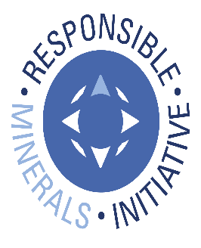 © 2022 Responsible Minerals Initiative. All rights reserved. |  |  |  |  |  |  |  |  |  | Revision 6.22 May 11, 2022
Smelter Identification Number Input Column | Metal (*) | Smelter Look-up (*) | Smelter Name (1) | Smelter Country (*) | Smelter Identification | Source of Smelter Identification Number | Smelter Street | Smelter City | Smelter Facility Location: State / Province | Smelter Contact Name | Smelter Contact Email | Proposed next steps | Name of Mine(s) or if recycled or scrap sourced, enter "recycled" or "scrap" | Location (Country) of Mine(s) or if recycled or scrap sourced, enter "recycled" or "scrap" | Does 100% of the smelter’s feedstock originate from recycled or scrap sources? | Comments
CID000035 | Gold | Agosi AG |  | GERMANY | CID000035 | RMI | 0 | Pforzheim | Baden-Württemberg |  |  | RMAP Compliant Smelter |  |  | Unknown
CID000077 | Gold | Argor-Heraeus S.A. |  | SWITZERLAND | CID000077 | RMI | 0 | Mendrisio | Ticino | Simone Frigerio | simone.frigerio@argor.com | RMAP Compliant Smelter | Recycled and scrap sourced | Recycled and scrap sourced | Yes
CID000707 | Gold | Heraeus Metals Hong Kong Ltd. |  | CHINA | CID000707 | RMI | 0 | Fanling | Hong Kong SAR | Mr. Jochen Schlessmann | jochen.schlessman@heraeus.com | RMAP Compliant Smelter | Various mines + recycled + scrap | Various mines from Philippines, Thailand, Laos + recycled + scrap | No
CID001078 | Gold | LS-NIKKO Copper Inc. |  | KOREA, REPUBLIC OF | CID001078 | RMI | 0 | Onsan-eup | Ulsan-gwangyeoksi | JUNG. Jin.Won. | gogilra11@lsnikko.com | RMAP Compliant Smelter | Vale | Brazil | No
CID001119 | Gold | Matsuda Sangyo Co., Ltd. |  | JAPAN | CID001119 | RMI | 0 | Iruma | Saitama | 矢澤 勲(I. Yazawa) | yazawa-i@matsuda-sangyo.co.jp | RMAP Compliant Smelter | Recycled or scrap | Recycled or scrap | Yes
CID001152 | Gold | Metalor Technologies (Singapore) Pte., Ltd. |  | SINGAPORE | CID001152 | RMI | 0 | Singapore | South West | YF Tsoi | Yeuk_Fung.Tsoi@metalor.com | RMAP Compliant Smelter | Recycled and scrap sourced | Recycled and scrap sourced | Yes
CID001153 | Gold | Metalor Technologies S.A. |  | SWITZERLAND | CID001153 | RMI | 0 | Marin | Neuchâtel | Gilles Robert | Gilles Robert@metalor.com | RMAP Compliant Smelter | Recycled and scrap sourced | Recycled and scrap sourced | Yes
CID001188 | Gold | Mitsubishi Materials Corporation |  | JAPAN | CID001188 | RMI | 0 | Tokyo | Tokyo | (+81)3-5252-5200 | Inquiries on the website | RMAP Compliant Smelter | Recycled | Recycled | Yes
CID001798 | Gold | Sumitomo Metal Mining Co., Ltd. |  | JAPAN | CID001798 | RMI | 0 | Saijo | Ehime |  |  | RMAP Compliant Smelter | Hishikari Mine | Japan/Recycled | No
CID001875 | Gold | Tanaka Kikinzoku Kogyo K.K. |  | JAPAN | CID001875 | RMI | 0 | Hiratsuka | Kanagawa | Kazunori Ochiai | ochiai-k@ml.tanaka.co.jp | RMAP Compliant Smelter | Recycled | Recycled | Yes
CID000292 | Tin | Alpha |  | UNITED STATES OF AMERICA | CID000292 | RMI | 0 | Altoona | Pennsylvania |  |  | RMAP Compliant Smelter |  |  | Unknown
CID000402 | Tin | Dowa |  | JAPAN | CID000402 | RMI | 0 | Kosaka | Akita | Noriaki Kita | kitan@dowa.co.jp | RMAP Compliant Smelter | Recycled | Recycled | Yes
CID000438 | Tin | EM Vinto |  | BOLIVIA (PLURINATIONAL STATE OF) | CID000438 | RMI | 0 | Oruro | Oruro |  |  | RMAP Compliant Smelter |  |  | Unknown
CID000468 | Tin | Fenix Metals |  | POLAND | CID000468 | RMI | 0 | Chmielów | Podkarpackie |  |  | RMAP Compliant Smelter |  |  | Unknown
CID000538 | Tin | Gejiu Non-Ferrous Metal Processing Co., Ltd. |  | CHINA | CID000538 | RMI | 0 | Gejiu | Yunnan Sheng | Wu Yin | wu@gejiumetal.com | RMAP Compliant Smelter |  | CHINA | No
CID001070 | Tin | China Tin Group Co., Ltd. |  | CHINA | CID001070 | RMI | 0 | Laibin | Guangxi Zhuangzu Zizhiqu |  |  | RMAP Compliant Smelter |  |  | Unknown
CID001105 | Tin | Malaysia Smelting Corporation (MSC) |  | MALAYSIA | CID001105 | RMI | 0 | Butterworth | Pulau Pinang | Mr.Rosilim Bin Noor | roslim@msmelt.com | RMAP Compliant Smelter | RHT, Alphamin, Artisanal Mining, Recycle The Great Lakes Mine. Please refer to iTSCi for list of mines. RCOI confirmed as per RMI | Malaysia, Australia, DRC, Rwanda, Nigeria, Russia, Brazil | No
CID001142 | Tin | Metallic Resources, Inc. |  | UNITED STATES OF AMERICA | CID001142 | RMI | 0 | Twinsburg | Ohio |  |  | RMAP Compliant Smelter |  |  | Unknown
CID001173 | Tin | Mineracao Taboca S.A. |  | BRAZIL | CID001173 | RMI | 0 | Bairro Guarapiranga | São Paulo | Ms.Luciana Miranda Pagnoncelli | lpagnoncelli@mtaboca.com.br | RMAP Compliant Smelter | RCOI confirmed as per RMI | RCOI confirmed as per RMI | No
...

